Sheet1
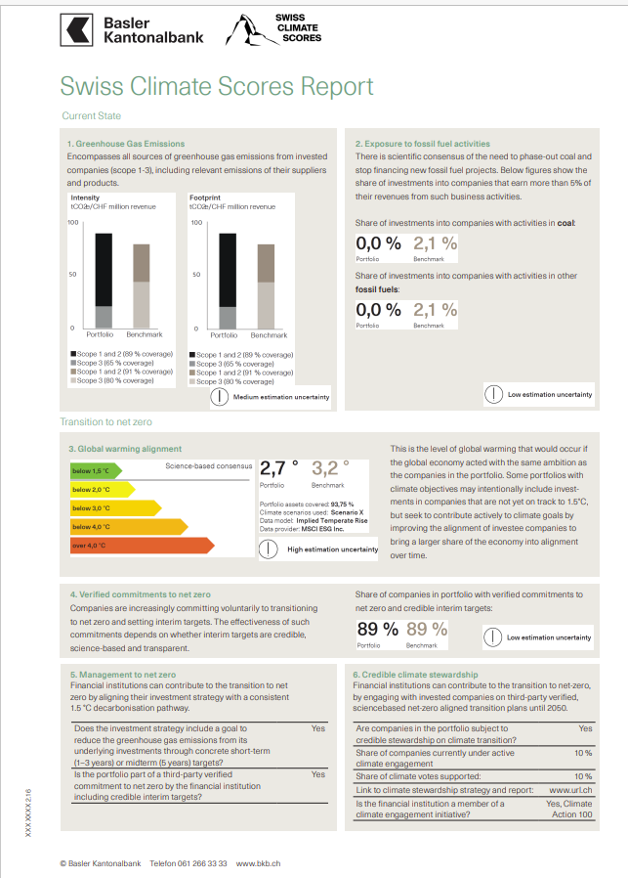
Date: | 2024-03-22

Category | Information | Preferred format / Specific need | Client input
Layout
Header | Header | RGB, HEX (0-0-0) or picture format | #6d9d84
Main Header
Background of the report | Background color | RGB, HEX (0-0-0) / SVG | #FFFFFF
Boxes background | Background color | RGB, HEX (0-0-0) | #f0ece4
Font
Main Header | Font family | Utf-8 compliant
Section Header
Definitions text
Main Header | Font color | RGB, HEX (0-0-0)
Main Header | font size | pts
Report info | Font family | Utf-8 compliant
Report info | Font color | RGB, HEX (0-0-0)
Box Header
Report info | font size | pts
Box Header | Font family | Utf-8 compliant | #6d9d84
Chart Header
Box Header | Font color | RGB, HEX (0-0-0) | #6d9d84
Unit Text
Box Header | font size | pts | #6d9d84
Section Header | Font family | Utf-8 compliant
Char Colour 1
Section Header | Font color | RGB, HEX (0-0-0)
Section Header | font size | pts
Chart Text
Definitions text | Font family | Utf-8 compliant
Char Colour 2
Below 1.5 Colour
Coverage Percentage
Definitions text | Font color | RGB, HEX (0-0-0)
Definitions text | font size | pts
Below 2 Colour
Question text | Font family | Utf-8 compliant
Below 3 Colour
Question text | Font color | RGB, HEX (0-0-0)
Chart Colour3
Below 4 Colour
Question text | font size | pts
Answers text | Font family | Utf-8 compliant
Over 4 Colour
Answers text | Font color | RGB, HEX (0-0-0)
Chart Colour 4
Answers text | font size | pts
Chart Header | Font family | Utf-8 compliant
Chart Header | Font color | RGB, HEX (0-0-0)
Chart Header | font size | pts
Unit Text | Font family | Utf-8 compliant
Unit Text | Font color | RGB, HEX (0-0-0)
Unit Text | font size | pts
Coverage Text | Font family | Utf-8 compliant
Coverage Text | Font color | RGB, HEX (0-0-0)
Coverage Text | font size | pts
Chart Text | Font family | Utf-8 compliant
Chart Text | Font color | RGB, HEX (0-0-0)
Chart Text | font size | pts
Coverage Percentage | Font family | Utf-8 compliant
Coverage Percentage | Font color | RGB, HEX (0-0-0)
Coverage Percentage | font size | pts
Charts
Chart Colour 1 | Chart Colour | RGB, HEX (0-0-0) | #121415
Chart Colour 2 | Chart Colour | RGB, HEX (0-0-0) | #929595
Chart Colour 3 |  |  | #998c7e
Chart Colour 4 |  |  | #c5bfb7
Below 1.5 Colour | Chart Colour | RGB, HEX (0-0-0) | #7ac03d
Below 2 Colour | Chart Colour | RGB, HEX (0-0-0) | #f3f116
Below 3 Colour | Chart Colour | RGB, HEX (0-0-0) | #f6d403
Below 4 Colour | Chart Colour | RGB, HEX (0-0-0) | #f2b815
Above 4 Colour | Chart Colour | RGB, HEX (0-0-0) | #e2622e

